Table 1

Selected Acquisition Report (SAR)
RCS: DD-A&T(Q&A)823-364
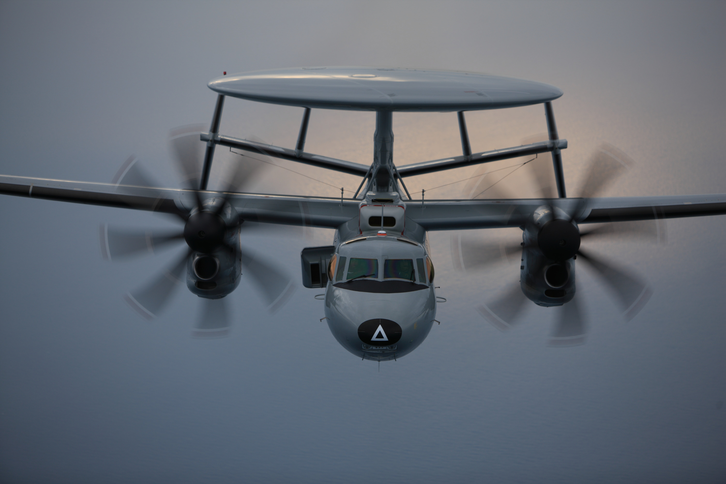
E-2D Advanced Hawkeye Aircraft (E-2D AHE)
As of FY 2017 President's Budget
Defense Acquisition Management Information Retrieval
(DAMIR)

Table 27
Unit Cost History
Item |  |  |  |  |  |  |  | Date |  |  |  | BY 2009 $M |  |  |  |  |  |  | TY $M
 |  |  |  |  |  |  |  |  |  |  |  | PAUC |  |  | APUC |  |  |  | PAUC |  |  |  | APUC

Original APB |  |  |  |  | Jun 2003 |  |  |  |  |  |  | 189.977 |  |  |  | 152.732 |  |  |  | 199.760 |  |  |  | 166.551
APB as of January 2006 |  |  |  |  | Jun 2003 |  |  |  |  |  |  | 189.977 |  |  |  | 152.732 |  |  |  | 199.760 |  |  |  | 166.551
Revised Original APB |  |  |  |  | Jul 2009 |  |  |  |  |  |  | 232.915 |  |  |  | 189.741 |  |  |  | 253.752 |  |  |  | 213.836
Prior APB |  |  |  |  | Apr 2013 |  |  |  |  |  |  | 241.280 |  |  |  | 184.743 |  |  |  | 269.981 |  |  |  | 214.929
Current APB |  |  |  |  | Mar 2015 |  |  |  |  |  |  | 248.981 |  |  |  | 184.743 |  |  |  | 278.956 |  |  |  | 214.929
Prior Annual SAR |  |  |  |  | Dec 2014 |  |  |  |  |  |  | 258.515 |  |  |  | 194.957 |  |  |  | 290.943 |  |  |  | 227.771
Current Estimate |  |  |  |  | Dec 2015 |  |  |  |  |  |  | 260.455 |  |  |  | 196.310 |  |  |  | 291.863 |  |  |  | 228.046
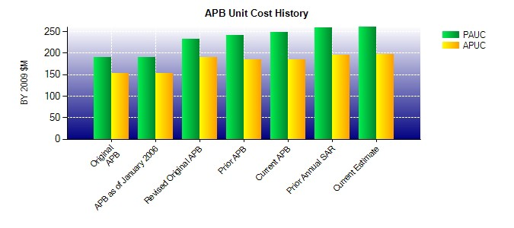
SAR Unit Cost History
Initial SAR Baseline to Current SAR Baseline (TY $M)
Initial PAUC Development Estimate | Changes |  |  |  |  |  |  |  |  |  |  |  |  |  |  |  |  |  |  |  |  | PAUC Production Estimate
 | Econ |  | Qty |  |  | Sch |  |  | Eng |  | Est |  | Oth |  |  |  | Spt |  | Total
199.760 5.871 0.000 3.025 8.235 28.608 0.000 8.253 53.992 253.752
Current SAR Baseline to Current Estimate (TY $M)
PAUC Production Estimate |  | Changes |  |  |  |  |  |  |  |  |  |  |  |  |  |  |  |  |  |  | PAUC Current Estimate
 |  | Econ |  | Qty |  |  | Sch |  |  | Eng |  | Est |  | Oth |  |  | Spt | Total
253.752 -1.043 0.000 24.459 17.961 -11.595 0.000 8.329 38.111 291.863

